Sheet1
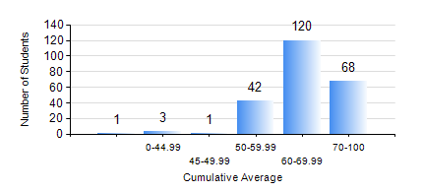
 |  |  | KWAME NKRUMAH UNIVERSITY OF SCIENCE AND TECHNOLOGY, KUMASI Department of Electrical/Electronic Engineering

 |  |  | BSC. ELECTRICAL/ELECTRONIC ENG.

 |  |  | COMPREHENSIVE RECORD OF EXAMINATION RESULTS

 |  |  | RESULTS OF YEAR 1 SECOND SEMESTER, 2019/2020 ACADEMIC YEAR

 | Sn | Course Code |  | Course Name | Credit Hours | Min. Mark | Max. Mark | Avg. Mark | Std. Dev. | No. Passed | No. Trailed | No. (Df) | No. (I) | No. (I*) | No. Tagged(I,I*,Df) | Total
 | 0. |  |  |  |  |  |  | 0 | 0 | 0 | 0 | 0 | 0 | 0 | 0 | 5
 | 1. | COE 158 |  | INTRODUCTION TO INFORMATION TECHNOLOGY | 2 | 55 | 80 | 71 | 4.84 | 225 | 0 | 0 | 5 | 0 | 5 | 230
 | 2. | EE 152 |  | BASIC ELECTRONICS | 3 | 40 | 86 | 69 | 10.73 | 229 | 0 | 0 | 1 | 0 | 1 | 230
 | 3. | EE 156 |  | ELECTRICAL ENG. DRAWING | 2 | 61 | 91 | 78 | 4.69 | 230 | 0 | 0 | 0 | 0 | 0 | 230
 | 4. | EE 162 |  | ELECTROMECHANICAL ENERGY CONVERSION AND TRANSFORMERS | 3 | 42 | 95 | 74 | 12 | 227 | 0 | 0 | 3 | 0 | 3 | 230
 | 5. | ENGL 158 |  | COMMUNICATION SKILLS II | 2 | 52 | 80 | 67 | 5.69 | 226 | 0 | 0 | 4 | 0 | 4 | 230
 | 6. | MATH 152 |  | CALCULUS WITH ANALYSIS | 4 | 60 | 88 | 77 | 6.89 | 230 | 0 | 0 | 0 | 0 | 0 | 230
 | 7. | ME 166 |  | APPLIED THERMODYNAMICS I | 2 | 32 | 90 | 63 | 12.2 | 221 | 1 | 0 | 8 | 0 | 8 | 230

